PRESENTATION SHEET
 |  | SUMMARY STATISTICS FOR KEY VARIABLES

 | PRICE |  |  | Quantity_ordered |  |  | grand_total

 | Mean | 6348.75 |  | Mean | 1.2963881723 |  | Mean | 8530.62
 | Standard Error | 19.55 |  | Standard Error | 0.0052267405605 |  | Standard Error | 80.21
 | Median | 899 |  | Median | 1 |  | Median | 1960.4
 | Mode | 1000 |  | Mode | 1 |  | Mode | 0
 | Standard Deviation | 14949.27 |  | Standard Deviation | 4.00 |  | Standard Deviation | 61320.81
 | Sample Variance | 223480659.04 |  | Sample Variance | 15.97 |  | Sample Variance | 3760242306.3
 | Kurtosis | 71.25 |  | Kurtosis | 42587.95 |  | Kurtosis | 74191.66
 | Skewness | 5.23 |  | Skewness | 184.78 |  | Skewness | 255.00
 | Range | 1012625.9 |  | Range | 999 |  | Range | 17889594
 | Minimum | 0 |  | Minimum | 1 |  | Minimum | -1594
 | Maximum | 1012625.9 |  | Maximum | 1000 |  | Maximum | 17888000
 | Sum | 3710995301.8 |  | Sum | 757770 |  | Sum | 4986351289.6
 | Count | 584524 |  | Count | 584524 |  | Count | 584524
 |  | 1 |  |  | 1 |  |  | 1

 |  |  | DESCRIPTIVE STATISTICS
 |  |  | MEAN | MEDIAN | STANDARD DEVIATION | QUARTILES
 |  | Price | 6348.75 | 899 | 14949 | Q1 - 360 Q2 -899 Q3 - 4070
 |  | Quantity | 1.30 | 1 | 4.00 | Q1 - 1 Q2 - 1 Q3 - 1
 |  | Grand Total | 8530.62 | 1960.4 | 61320.81 | Q1 - 945 Q2 - 1960.4 Q3 - 6999

VISUALIZATION OF KEY VARIABLES DISTRIBUTION

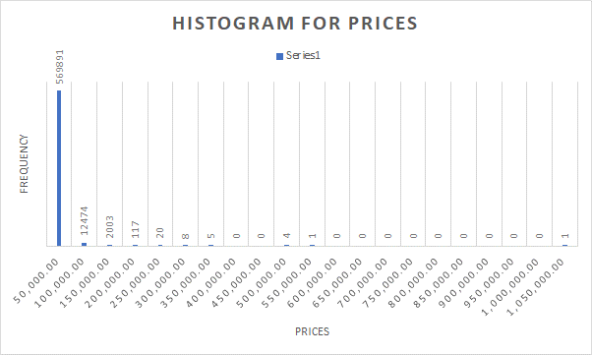
 |  |  |  |  |  |  | Prices | Frequency
 |  |  |  |  |  |  | 0-50,000 | 569891
 |  |  |  |  |  |  | 50,001-100,000 | 12474
 |  |  |  |  |  |  | 100,001-150,000 | 2003
 |  |  |  |  |  |  | 150,001-200,000 | 117
 |  |  |  |  |  |  | 200,001-250,000 | 20
 |  |  |  |  |  |  | 250,001-300,000 | 8
 |  |  |  |  |  |  | 300,001-350,000 | 5
 |  |  |  |  |  |  | 350,001-400,000 | 0
 |  |  |  |  |  |  | 400,001-450,000 | 0
 |  |  |  |  |  |  | 450,001-500,000 | 4
 |  |  |  |  |  |  | 500,001-550,000 | 1
 |  |  |  |  |  |  | 550,001-600,000 | 0
 |  |  |  |  |  |  | 600,001-650,000 | 0
 |  |  |  |  |  |  | 650,001-700,000 | 0
 |  |  |  |  |  |  | 700,001-750,000 | 0
 |  |  |  |  |  |  | 750,001-800,000 | 0
 |  |  |  |  |  |  | 800,001-850,000 | 0
 |  |  |  |  |  |  | 850,001-900,000 | 0
 |  |  |  |  |  |  | 900,001-950,000 | 0
 |  |  |  |  |  |  | 950,001-1,000,000 | 0
 |  |  |  |  |  |  | 1,000,001-1,050,000 | 1
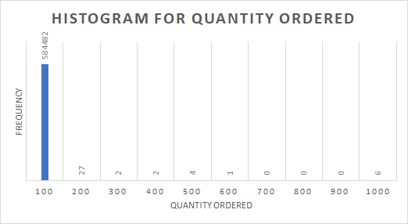

 |  |  |  |  |  |  | Quantity Ordered | Frequency
 |  |  |  |  |  |  | 0-100 | 584482
 |  |  |  |  |  |  | 101-200 | 27
 |  |  |  |  |  |  | 201-300 | 2
 |  |  |  |  |  |  | 301-400 | 2
 |  |  |  |  |  |  | 401-500 | 4
 |  |  |  |  |  |  | 501-600 | 1
 |  |  |  |  |  |  | 601-700 | 0
 |  |  |  |  |  |  | 701-800 | 0
 |  |  |  |  |  |  | 801-900 | 0
 |  |  |  |  |  |  | 901-1000 | 6

 | MOST POPULAR PRODUCT CATEGORY |  |  |  | MOST COMMONLY USED PAYMENT PLATFORM
 | Product Categories | Sum of qty_ordered |  |  | Payment_methods | Sum of qty_ordered
 | \N | 9647 |  |  | apg | 2139
 | Appliances | 39718 |  |  | bankalfalah | 33599
 | Beauty & Grooming | 41110 |  |  | cashatdoorstep | 1323
 | Books | 1866 |  |  | cod | 325192 | *cod payment method is the most commonly used payment platform with usage of 32,5192
 | Computing | 12576 |  |  | customercredit | 8807
 | Entertainment | 17297 |  |  | Easypay | 121596
 | Health & Sports | 12220 |  |  | Easypay_MA | 21291
 | Home & Living | 23029 |  |  | easypay_voucher | 38856
 | Kids & Baby | 14866 |  |  | financesettlement | 75
 | Men's Fashion | 81866 |  |  | internetbanking | 555
 | Mobiles & Tablets | 95147 | *Mobiles & Tablets category is the most popular category with quantity purchase of 95,147 pieces |  | jazzvoucher | 21685
 | Others | 7939 |  |  | jazzwallet | 53952
 | School & Education | 3213 |  |  | marketingexpense | 50
 | Soghaat | 41931 |  |  | mcblite | 786
 | Superstore | 61361 |  |  | mygateway | 798
 | Women's Fashion | 48335 |  |  | Payaxis | 125889
 | Grand Total | 512121 |  |  | productcredit | 135
 |  |  |  |  | ublcreditcard | 1042
 |  |  |  |  | Grand Total | 757770

 | Anova: Single Factor Test

 | SUMMARY
 | Groups | Count | Sum | Average | Variance
 | apg | 1758 | 2139 | 1.2167235495 | 0.58419369815
'Groups': cashatdoorstep has noticeably higher 'Variance'.
 | Total
cashatdoorstep | 78.029877105
financesettlement | 48
jazzwallet | 46.736565845
easypay_voucher | 22.670335722
customercredit | 5.9474026533
bankalfalah | 2.4396909356
mygateway | 1.9223436535
ublcreditcard | 1.0839671472
Easypay_MA | 0.9374055865
Easypay | 0.70241672672
apg | 0.58419369815
Payaxis | 0.56352810762
cod | 0.50470375932
mcblite | 0.45638555879
marketingexpense | 0.37373737374
internetbanking | 0.36179333549
jazzvoucher | 0.25997618497
productcredit | 0.090322580645
 | bankalfalah | 1758 | 4004 | 2.2775881684 | 2.4396909356
 | cashatdoorstep | 732 | 1323 | 1.8073770492 | 78.029877105
 | cod | 1758 | 2040 | 1.1604095563 | 0.50470375932
 | customercredit | 1758 | 1993 | 1.1336746303 | 5.9474026533
 | Easypay | 1758 | 2057 | 1.1700796359 | 0.70241672672
 | Easypay_MA | 1758 | 2080 | 1.1831626849 | 0.9374055865
 | easypay_voucher | 1758 | 2277 | 1.295221843 | 22.670335722
 | financesettlement | 15 | 75 | 5 | 48
 | internetbanking | 472 | 555 | 1.1758474576 | 0.36179333549
 | jazzvoucher | 1758 | 1932 | 1.0989761092 | 0.25997618497
 | jazzwallet | 1758 | 3217 | 1.8299203641 | 46.736565845
 | marketingexpense | 45 | 50 | 1.1111111111 | 0.37373737374
 | mcblite | 723 | 786 | 1.0871369295 | 0.45638555879
 | mygateway | 669 | 798 | 1.1928251121 | 1.9223436535
 | Payaxis | 1758 | 1991 | 1.1325369738 | 0.56352810762
 | productcredit | 125 | 135 | 1.08 | 0.090322580645
 | ublcreditcard | 882 | 1042 | 1.1814058957 | 1.0839671472

 | ANOVA
 | Source of Variation | SS | df | MS | F | P-value | F crit
 | Between Groups | 2868.1654578 | 17 | 168.71561517 | 17.60531908 | 4.0503958827E-53 | 1.6232524699
 | Within Groups | 203403.80743 | 21225 | 9.5832182533

 | Total | 206271.97289 | 21242

 | t-Test: Two-Sample Assuming Unequal Variances

 |  | apg | cod
 | Mean | 1.2167235495 | 1.1957346669 |  | Row Labels | Sum of Variance
 | Variance | 0.58419369815 | 8.5908561666 |  | cashatdoorstep | 78.029877105
 | Observations | 1758 | 271960 |  | financesettlement | 48
 | Hypothesized Mean Difference | 0 |  |  | jazzwallet | 46.736565845
 | df | 2107 |  |  | easypay_voucher | 22.670335722
 | t Stat | 1.1002757803 |  |  | customercredit | 5.9474026533
 | P(T<=t) one-tail | 0.13566883479 |  |  | bankalfalah | 2.4396909356
 | t Critical one-tail | 1.6455771407 |  |  | mygateway | 1.9223436535
 | P(T<=t) two-tail | 0.27133766957 |  |  | ublcreditcard | 1.0839671472
 | t Critical two-tail | 1.9610905206 |  |  | Easypay_MA | 0.9374055865
 |  |  |  |  | Easypay | 0.70241672672
 |  |  |  |  | apg | 0.58419369815
 |  |  |  |  | Payaxis | 0.56352810762
 |  |  |  |  | cod | 0.50470375932
 |  |  |  |  | mcblite | 0.45638555879
 |  |  |  |  | marketingexpense | 0.37373737374
 |  |  |  |  | internetbanking | 0.36179333549
 |  |  |  |  | jazzvoucher | 0.25997618497
 |  |  |  |  | productcredit | 0.090322580645
 |  |  |  |  | Grand Total | 211.66464597

